Flowchart

 | DRAFT RRAMP FLOWCHART

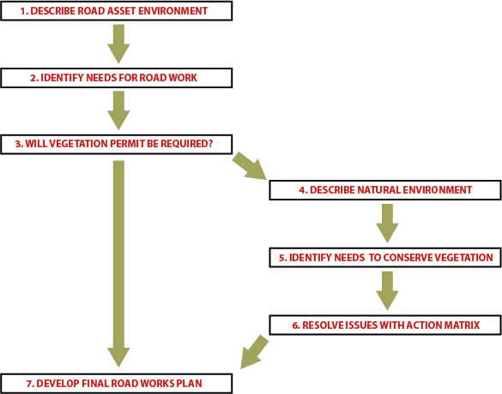

Wajon & Associates

Action Matrix
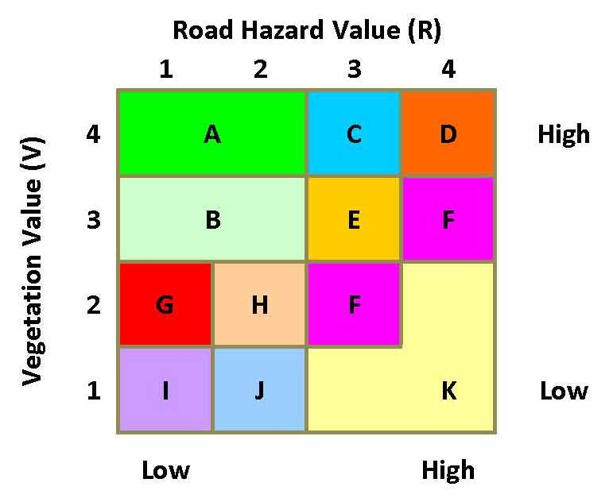
6. RESOLVE ISSUES WITH ACTION MATRIX

 |  |  |  |  |  | 0 |  |  |  | 0
 |  | Calculated Roadwork Value (Sealed) |  |  |  | 0 |  |  |  | 1
 |  |  |  |  |  |  | Roadwork Value (R) |  |  | 1
 |  |  |  |  |  |  |  |  |  | 10
 |  |  |  |  |  |  | Vegetation Value (V) |  |  | 3
 |  |  |  |  |  |  |  |  |  | 13
 |  |  |  |  |  |  | Domain |  |  | B

Click on the filter list of the chosen Domain to select the list of actions
Click on cells in Column O to state whether action is feasable or not and explain why in Column P
A | B | C | D | E | F | G | H | I | J | K | CATEGORY | ACTION | FEASABLE? | COMMENT
A | B | C | D | E |  | G | H | I |  |  | 1. Reduce likelihood of vehicle leaving road and severity of crash | a) Reduce speed limits to reduce the risk of errant driving or the impact of any collision with roadside hazards
A | B | C | D | E | F | G | H |  | J |  | 2. Reduce likelihood of vehicle leaving road by improving road/ infrastructure | a) Improve quality of pavement and edges/shoulders
A | B | C | D | E | F | G | H |  |  |  |  | b) Install (more) guideposts (reflective delineation)
A | B | C | D | E | F | G | H |  |  |  |  | c) Install guideposts (reflective delineation) adjacent to trees
A | B | C | D | E | F | G | H |  |  |  |  | d) Reinstate/apply edge lines and centre lines
A | B | C | D | E | F | G | H |  |  |  |  | e) Install audible / tactile edge line
A | B | C | D | E | F | G | H |  |  |  |  | f) Widen or extend the seal to include the shoulder of the road
A | B | C |  |  |  |  |  |  |  |  |  | g) Put up signs warning of trees close to road
 |  |  | D | E | F |  |  |  |  |  | 3. Reduce severity of clearing and risk of crash | a) Install safety barriers along verge on stretches of road or around individual trees located close to the travelling lane
A | B | C | D | E |  | G | H |  |  |  | 4. Reduce likelihood and severity of clearing by changing table drain design | a) Realign table drains around trees where possible
A | B | C | D | E |  | G | H |  |  |  |  | b) Use excavators to create table drains rather than graders
A | B | C | D | E |  | G | H |  |  |  |  | c) Construct drainage offshoots instead of widening table drains
A | B |  | D |  |  | G |  |  |  |  |  | d) Increase table drain batter slopes from 1:4 (recoverable) to 1:3 (traversable) to decrease width (both fore slope and back slope)
A |  |  | D |  |  | G |  |  |  |  |  | e) Reduce table drain width, depth and flatten slopes
A |  |  | D |  |  | G |  |  |  |  |  | f) Eliminate table drain
A |  |  | D |  |  |  |  |  |  |  |  | g) Retain frangible vegetation on backslopes
A |  |  | D |  |  |  | H |  |  |  | 5. Reduce severity of clearing through selective clearing | a) Prune trees at edge of formation, both horizontally (eg overhanging branches) and vertically (eg encroaching branches)
A | B |  | D |  |  |  |  |  |  |  |  | b) Reduce recovery zone widths (eg retain trees >2 m from edge of road)
A | B | C | D |  |  | G |  |  |  |  |  | c) Clear only at intersections / driveways
A | B | C | D |  |  | G |  |  |  |  |  | d) Clear only at bends
A | B |  | D |  |  | G | H |  |  |  |  | e) Review the longitudinal profile of the road to reduce cut / fill requirements
A | B | C | D |  |  | G | H |  |  |  |  | f) Construct passing pockets
 |  |  | D | E | F |  | H | I | J | K |  | g) Remove trees only while leaving the understorey (ie retain frangible vegetation)
 |  |  | D | E | F |  | H | I | J | K | 6. Reduce likelihood and severity of clearing and risk of crash by realligning road | a) Realign road by clearing on one side of the existing transport corridor, the side with the overall poorest quality vegetation
 |  | C | D | E | F |  |  |  |  |  |  | b) Avoid clearing an unmade road reserve adjacent to an approved subdivision in an already cleared area
 |  | C | D | E | F |  |  |  |  |  |  | c) Construct some or all of the road, or construct a new lane, in a cleared area such as a paddock
 |  | C | D | E | F |  |  |  |  |  |  | d) Consider other alternative alignments
 |  |  |  |  |  |  |  | I | J | K | 7. Reduce risk and severity of crash | a) Clear whole alignment
 |  |  |  |  |  |  |  |  |  |  | Extra options to consider
 |  |  |  |  |  |  |  |  |  |  | 8. Potential options | a) Construct the road using pervious pavement to avoid or reduce the need for additional clearing for drainage infrastructure
 |  |  |  |  |  |  |  |  |  |  |  | b) Install median
 |  |  |  |  |  |  |  |  |  |  |  | c) Install wire rope barrier in median

